TRIPS ANALYSIS
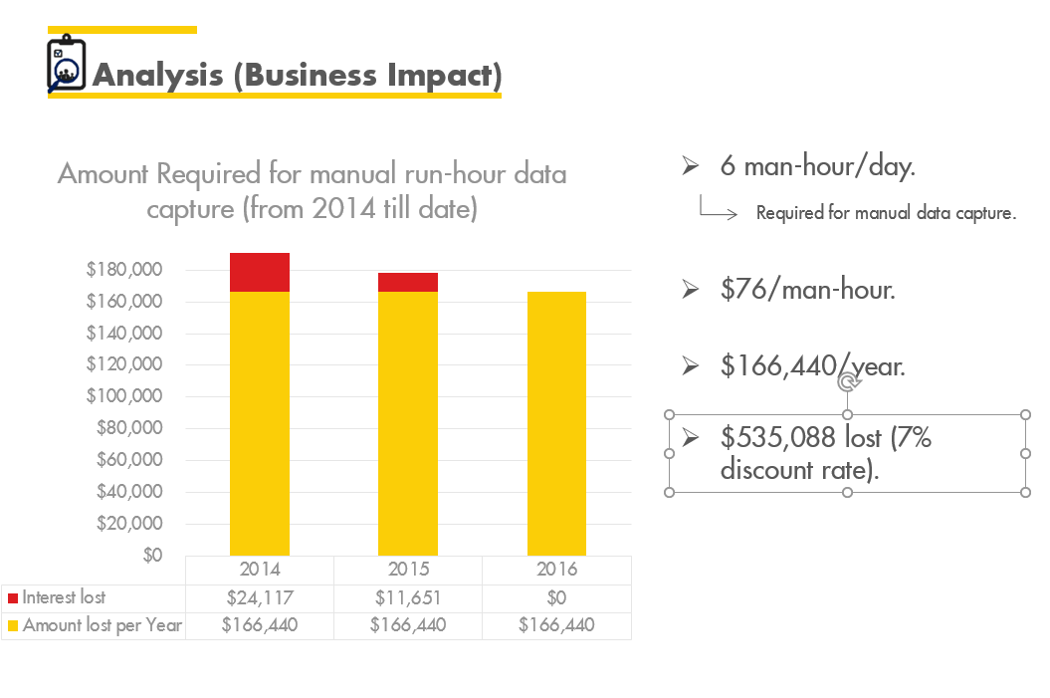
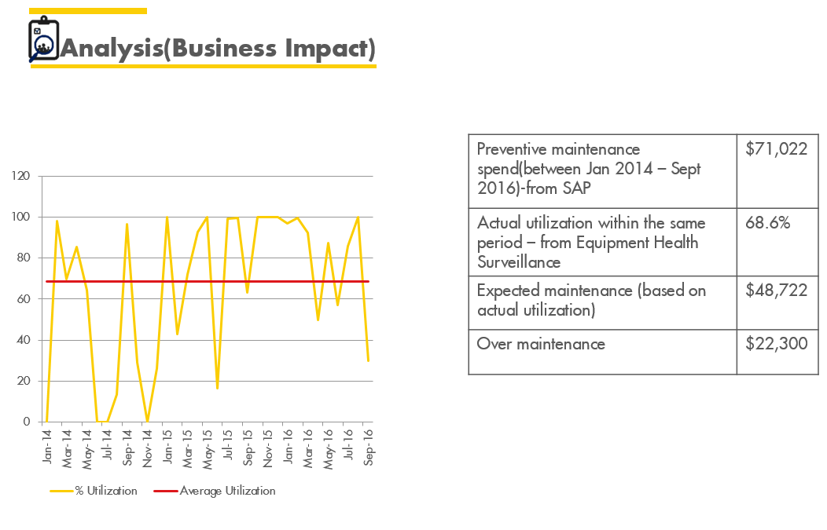
TRIP DATA
Agbada AGG COMPRESSOR
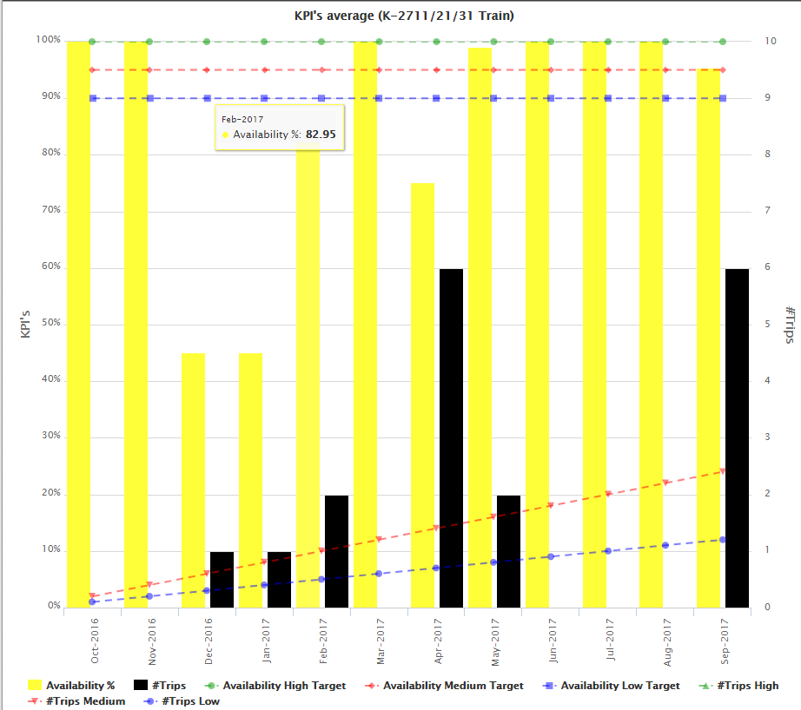
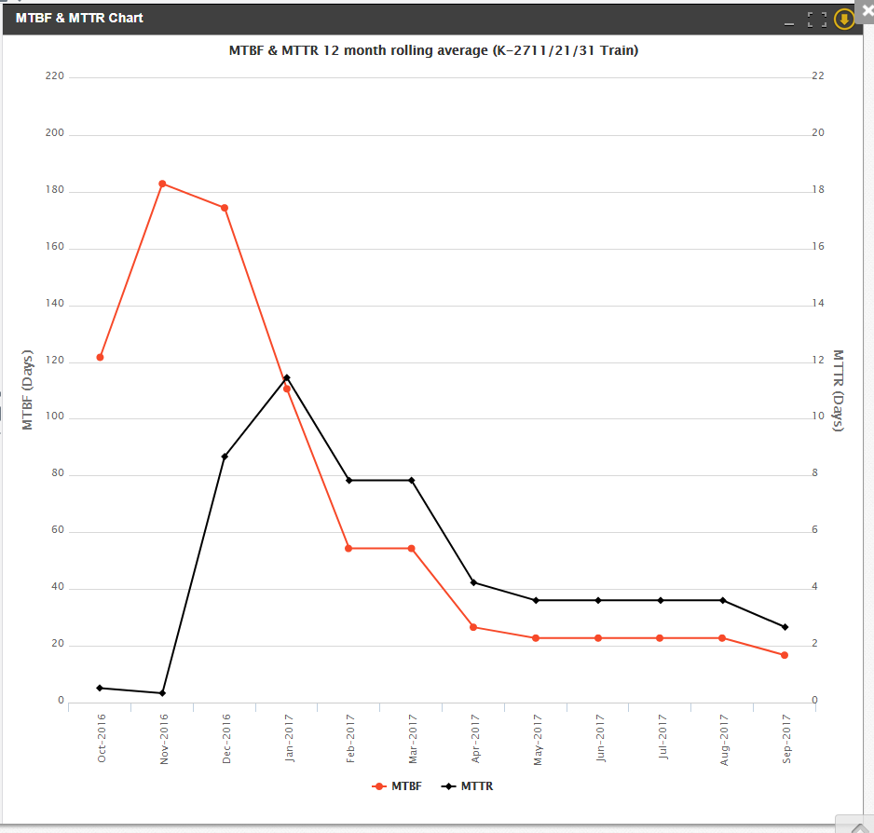

IMO AGG COMPRESSOR

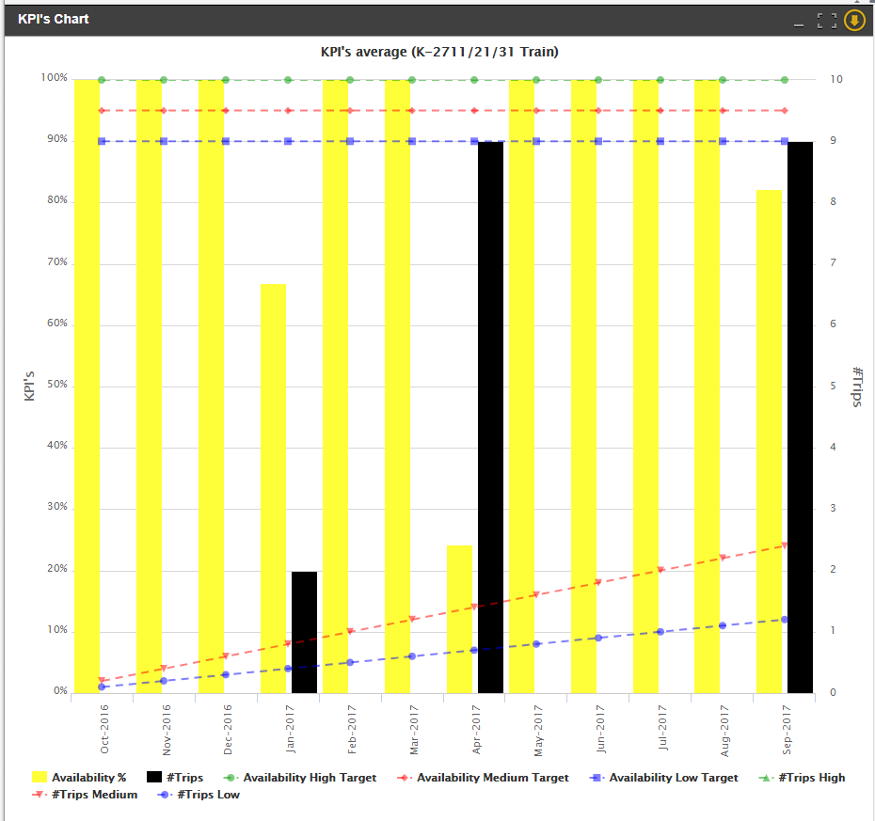
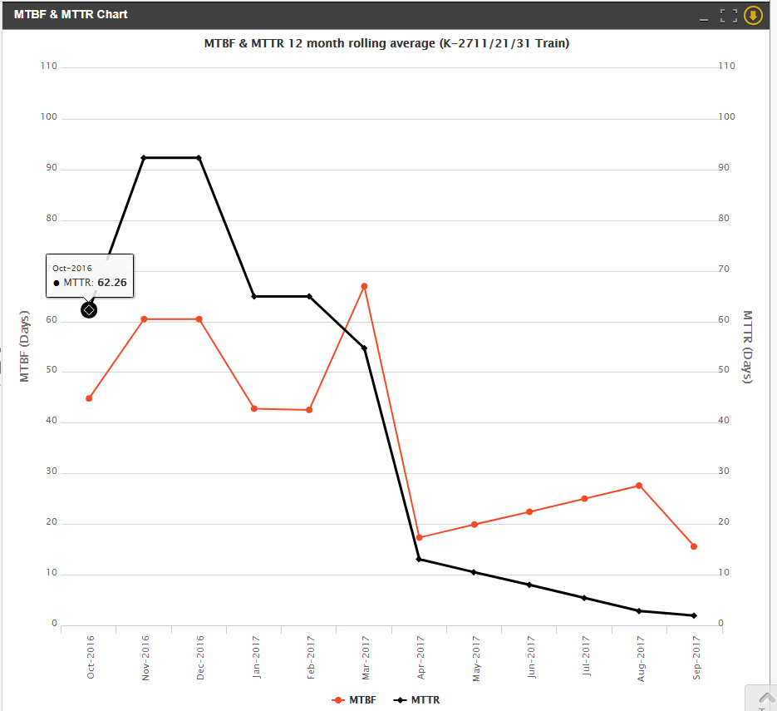

FAILURE/REPAIR ANALYSIS
 | NO OF TRIPS | MTTR (Days)
IMO AGG | 20 | 47
AGBD AGG | 18 | 57

SEA EAGLE

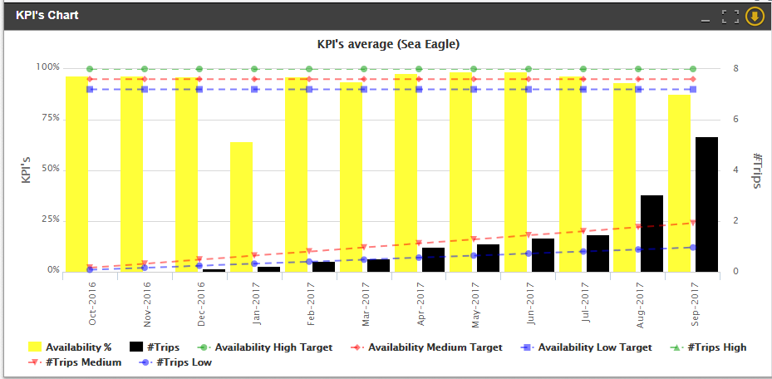
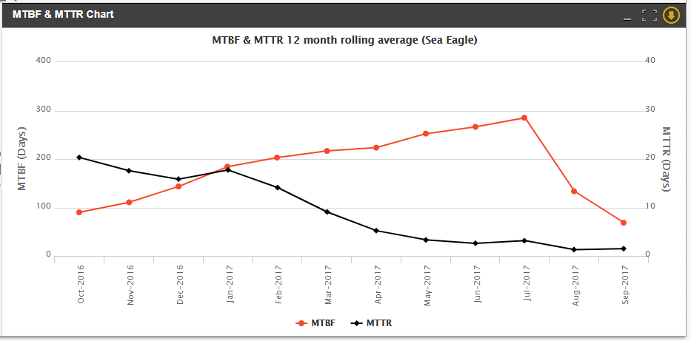

Failure/Repair Analysis

 |  | NO OF TRIPS (days) | MTTR (Days)
 | SEA EAGLES | 16 | 10

GBARAN UBIE
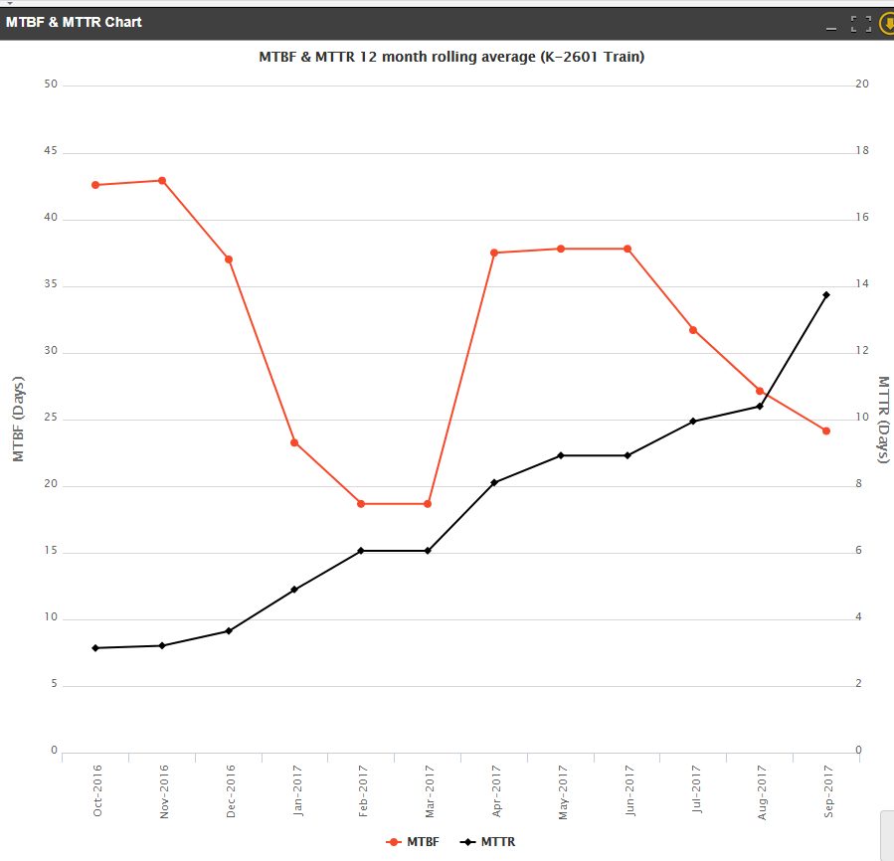
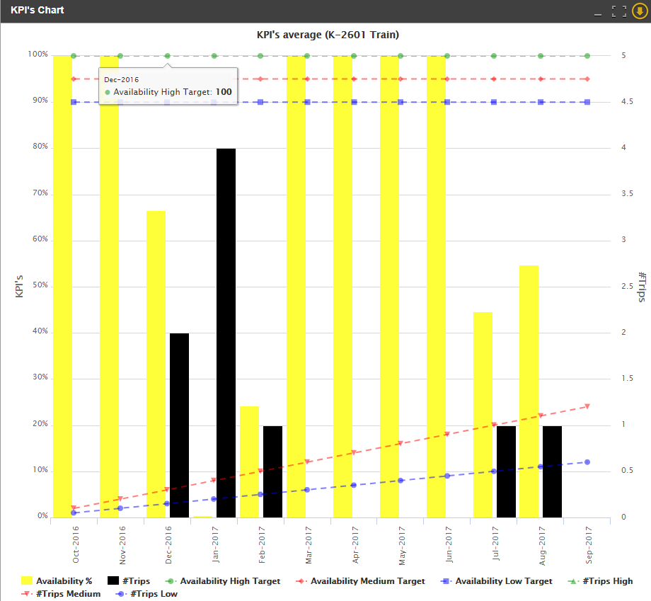

Failure /REPAIR ANALYSIS
 |  | NO OF TRIPS (days) | MTTR (Days)
 | GBU | 9 | 86

EHS Project Cost
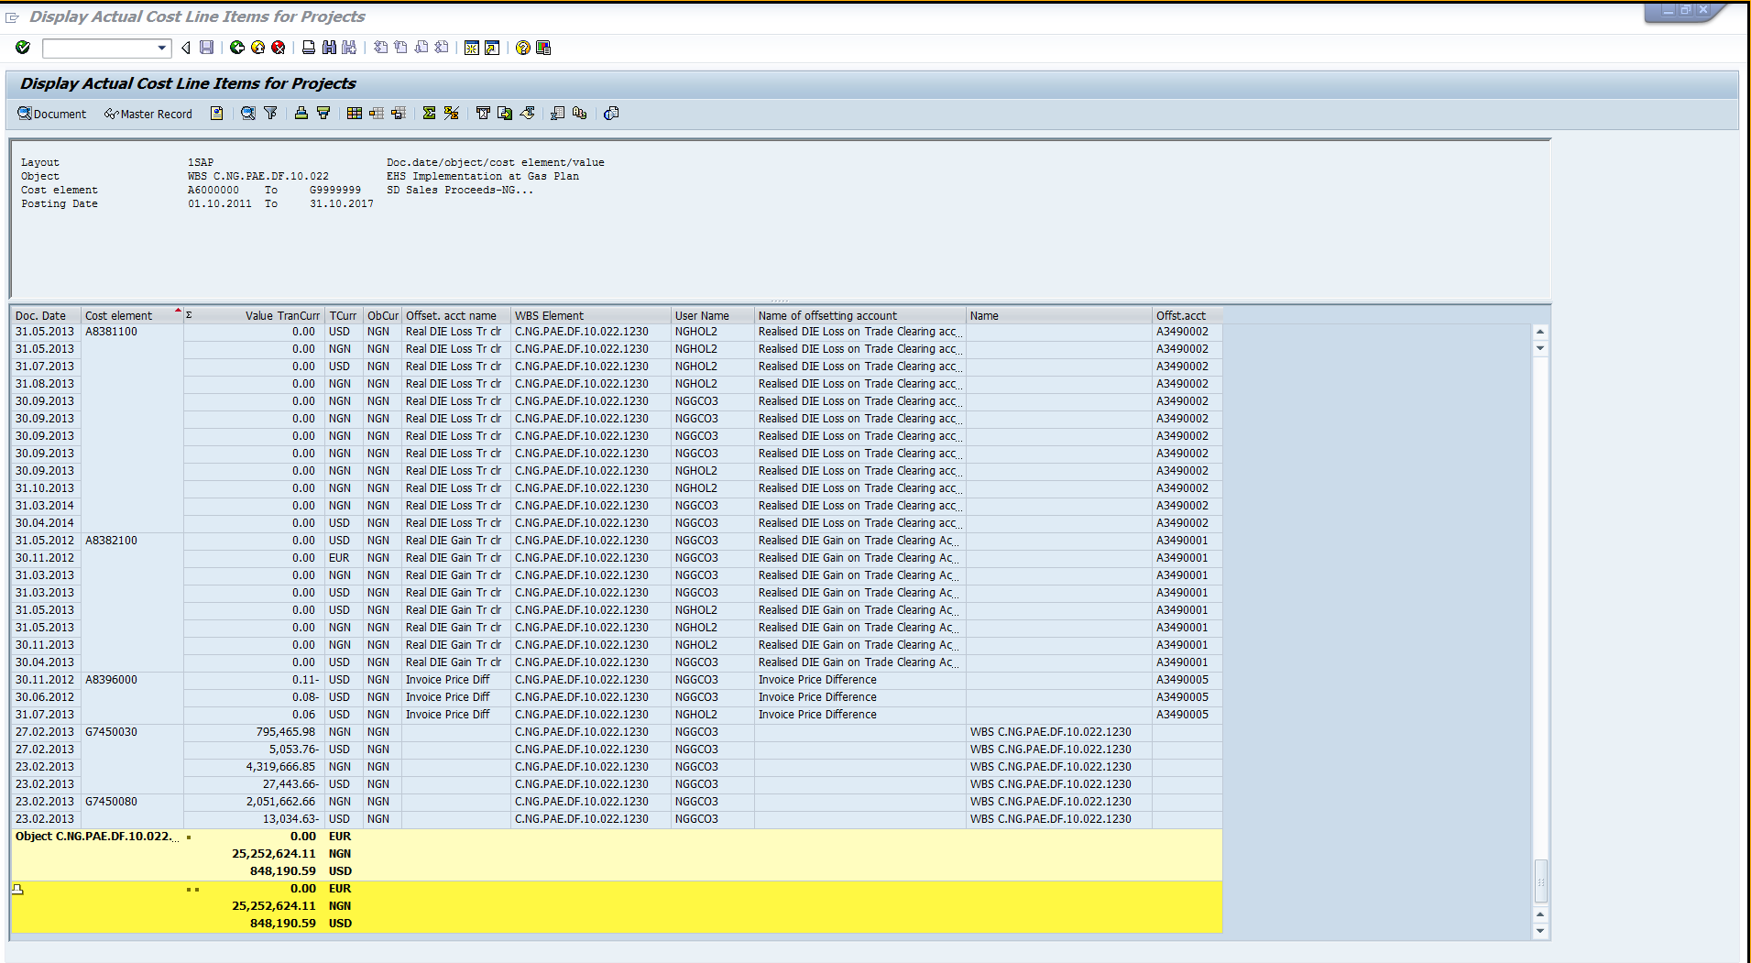

2016 ALL
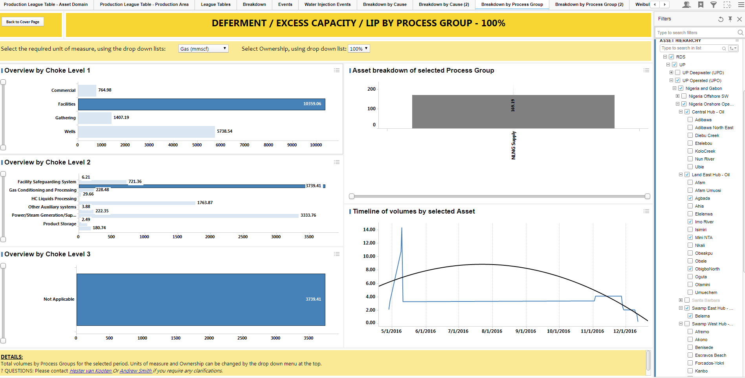

2016 EA
